IPI DRB Minutes
 |  | IBIDEN PHILIPPINES, INC. |  |  |  |  |  |  |  |  |  |  |  |  |  |  |  |  |  | DRB/MRB No. : |  | D-CORE-19-10-003
 |  | DRB/MRB REPORT MINUTES |  |  |  |  |  |  |  |  |  |  |  |  |  |  |  |  |  | RFC No. : |  | 08-1019-0028

Theme: |  |  | Void Dent
Meeting Date : |  |  | 14-Oct-19 |  |  |  |  |  |  |  |  |  |  |  | Originated by : |  |  |  | M. Valenciano
Meeting Time: |  |  | 1330h |  |  |  |  |  |  |  |  |  |  |  |  |  |  |  |  | Name /Block
Meeting Place: |  |  | Core Meeting Area |  |  |  |  |  |  |  |  |  |  |  | Approved by :
Chairman: |  |  | M. Valenciano |  |  |  |  |  |  |  |  |  |  |  |  |  |  |  | Originator ASM/SM/DGM/GM
Block: |  |  | CORE
Attendees : |  |  | Manufacturing |  |  | Engineering/NPD |  |  | Facilities/EE |  |  |  |  | QA/QC |  |  |  |  | PPIC/CSE |  |  |  | Other
 |  |  | T. Mizuno |  |  | T. Ogawa |  |  |  |  |  |  |  | K. Vergara
 |  |  |  |  |  | G. Malaguit

Theme: |  |  | Void Dent
Meeting Date : |  |  | 14-Oct-19 |  |  |  |  |  |  |  |  |  |  |  | Originated by : |  |  |  | M. Valenciano
Meeting Time: |  |  | 1400h |  |  |  |  |  |  |  |  |  |  |  |  |  |  |  |  | Name /Block
Meeting Place: |  |  | Core Meeting Area |  |  |  |  |  |  |  |  |  |  |  | Approved by :
Chairman: |  |  | M. Valenciano |  |  |  |  |  |  |  |  |  |  |  |  |  |  |  | Originator ASM/SM/DGM/GM
Block: |  |  | CORE
Attendees : |  |  | Manufacturing |  |  | Engineering/NPD |  |  | Facilities/EE |  |  |  |  | QA/QC |  |  |  |  | PPIC/CSE |  |  |  | Other
 |  |  | M. Valenciano |  |  | T. Ogawa |  |  |  |  |  |  |  | K. Vergara
 |  |  | F. Horai
 |  |  | T. Mizuno

Theme: |  |  | Void Dent
Meeting Date : |  |  | 26-Oct-19 |  |  |  |  |  |  |  |  |  |  |  | Originated by : |  |  |  | M. Valenciano
Meeting Time: |  |  | 1040h |  |  |  |  |  |  |  |  |  |  |  |  |  |  |  |  | Name /Block
Meeting Place: |  |  | Core Meeting Area |  |  |  |  |  |  |  |  |  |  |  | Approved by :
Chairman: |  |  | M. Valenciano |  |  |  |  |  |  |  |  |  |  |  |  |  |  |  | Originator ASM/SM/DGM/GM
Block: |  |  | CORE
Attendees : |  |  | Manufacturing |  |  | Engineering/NPD |  |  | Facilities/EE |  |  |  |  | QA/QC |  |  |  |  | PPIC/CSE |  |  |  | Other
 |  |  | M. Valenciano |  |  | T. Ogawa |  |  | J. Claus |  |  |  |  | K. Vergara
 |  |  | T. Mizuno |  |  | G. Malaguit
 |  |  |  |  |  | A. Bughaw

Theme: |  |  | Void Dent
Meeting Date : |  |  | 4-Nov-19 |  |  |  |  |  |  |  |  |  |  |  | Originated by : |  |  |  | M. Valenciano
Meeting Time: |  |  | 1320h |  |  |  |  |  |  |  |  |  |  |  |  |  |  |  |  | Name /Block
Meeting Place: |  |  | Core Meeting Area |  |  |  |  |  |  |  |  |  |  |  | Approved by :
Chairman: |  |  | M. Valenciano |  |  |  |  |  |  |  |  |  |  |  |  |  |  |  | Originator ASM/SM/DGM/GM
Block: |  |  | CORE
Attendees : |  |  | Manufacturing |  |  | Engineering/NPD |  |  | Facilities/EE |  |  |  |  | QA/QC |  |  |  |  | PPIC/CSE |  |  |  | Other
 |  |  | M. Valenciano |  |  | T. Ogawa |  |  | J. Claus |  |  |  |  | A. Mauleon
 |  |  | T. Mizuno |  |  | G. Malaguit
 |  |  | J. Gimeno

Theme: |  |  | Void Dent
Meeting Date : |  |  | 12-Nov-19 |  |  |  |  |  |  |  |  |  |  |  | Originated by : |  |  |  | M. Valenciano
Meeting Time: |  |  | 1320h |  |  |  |  |  |  |  |  |  |  |  |  |  |  |  |  | Name /Block
Meeting Place: |  |  | Core Meeting Area |  |  |  |  |  |  |  |  |  |  |  | Approved by :
Chairman: |  |  | M. Valenciano |  |  |  |  |  |  |  |  |  |  |  |  |  |  |  | Originator ASM/SM/DGM/GM
Block: |  |  | CORE
Attendees : |  |  | Manufacturing |  |  | Engineering/NPD |  |  | Facilities/EE |  |  |  |  | QA/QC |  |  |  |  | PPIC/CSE |  |  |  | Other
 |  |  | M. Valenciano |  |  | T. Ogawa |  |  |  |  |  |  |  | K. Vergara
 |  |  |  |  |  | G. Malaguit

<1>PROBLEM STATEMENT : (Put another sheet if multiple lots was discovered affected)
DEFECT ISSUE: |  |  | Void Dent |  | # | PRODUCT/MODEL AFFECTED |  |  | PRODUCT FAMILY |  |  | LEDGER NO. |  | PRODUCT SIZE |  | LOT NUMBER |  |  | AFFECTEDLAYER |  | AFFECTED PANEL |  | AFFECTED UNIT OR IF PERCENTAGE
DATE/TIME OCCURRED: |  |  | Oct-07-19 |  | 1 | IPI Coffeelake LGA 8+2 |  |  |  |  |  | 01438-00 |  |  |  | P7896780 |  |  |  |  | 13-6,8-12,15-19,21-32
PROCESS DETECTED: |  |  | PLG |  | 2 | IPI Coffeelake LGA 8+2 |  |  |  |  |  | 01438-00 |  |  |  | P7894010 |  |  |  |  | 3-6,10,15,16,31,32
PROCESS AFFECTED: |  |  | PLG |  | 3 | IPI Coffeelake LGA 8+2 |  |  |  |  |  | 01438-00 |  |  |  | P7896800 |  |  |  |  | 1-16,18-32
# OF AFFECTED LOTS : |  |  | 4 |  | 4 | IPI Coffeelake LGA 8+2 |  |  |  |  |  | 01438-00 |  |  |  | P7897190 |  |  |  |  | 1-10,12-21,24,25,27-32
WHO DETECTED: |  |  |  |  | 5
 |  |  |  |  | 6
 |  |  |  |  | 7
 |  |  |  |  | 8
 |  |  |  |  | 9
 |  |  |  |  | 10
 |  |  |  |  | 11
 |  |  |  |  | 12
 |  |  |  |  | 13
 |  |  |  |  | 14
 |  |  |  |  | 15
 |  |  |  |  | 16
 |  |  |  |  | 17
 |  |  |  |  | 18
 |  |  |  |  | 19
 |  |  |  |  | 20
 |  |  |  |  | 21
 |  |  |  |  | 22
 |  |  |  |  | 23
 |  |  |  |  | 24
 |  |  |  |  | 25
 |  |  |  |  | 26
 |  |  |  |  | 27
 |  |  |  |  | 28
 |  |  |  |  | 29
 |  |  |  |  | 30
WHAT IS THE PROBLEM DIFFERENCE FROM NORMAL TO ABNORMAL SITUATION? CHANGING POINT? DISCUSS THE FLOW. (Indicate 5W and 1H)
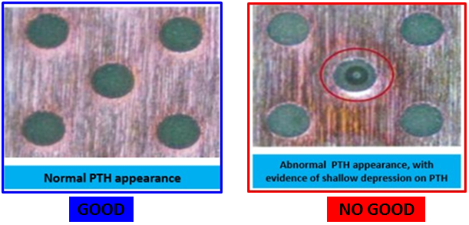
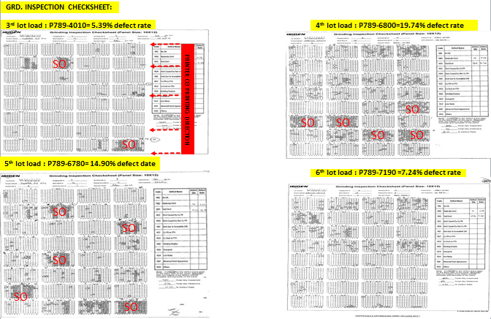

THE AGENDA ITEM IS RECURRENCE? |  |  |  | RECURRENCE |  |  | NEW |  |  |  | Recurrence Definition |  |  |  | 1. Rootcause is clear happened in same MC and parts 2. Rootcause is not clear but same issue 3. The Action was not proliferated to other process and machine but it was discussed during the meeting
THE AGENDA ITEM IS ESCAPEE? |  |  |  | YES |  |  | NO
PROBLEM CATEGORY |  |  | MAN |  | MACHINE |  |  | METHOD |  |  | MATERIAL |  |  | MEASUREMENT |  |  |  | ENVIRONMENT |  |  |  | OTHERS
DRB CLOSING RANK |  |  | RANK 1 |  | RANK 2 |  |  | RANK 3 |  |  | RANK 4 |  |  | RANK 5 |  |  |  | OTHERS

<2> INVESTIGATION/IDENTIFICATION OF AFFECTED AREA, SITUATION (Define the phenomenon, mode and tendency occurrence,Etc.)
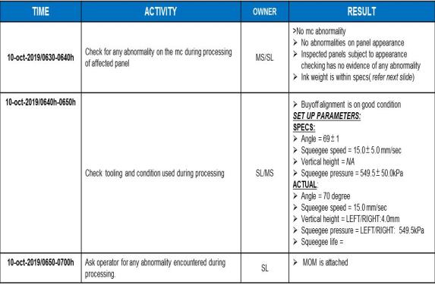
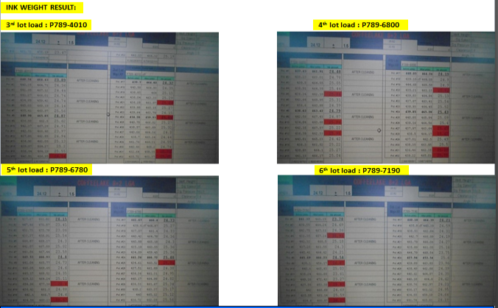

Conclusion: Defect tendency not correlated with the ink weight
*Need to open interlock after printing to prevent panel drop
<3> CONTAINMENT ACTION (Note: Do not disable the interlock system when doing the action) |  |  |  |  |  |  |  |  |  |  |  |  |  |  |  | Responsible |  |  | Completion Date |  |  | Status
 |  |  |  |  |  |  |  |  |  |  |  |  |  |  |  | Name / Block
1. Temporary open door to lessen panel stick on metalmask after printing. |  |  |  |  |  |  |  |  |  |  |  |  |  |  |  | Mark / Mfg |  |  | ww 41.5

<4> DISPOSITION OF AFFECTED LOT AND RISK ASSESSMENT

Assessment Item (# of sample/Method) |  |  |  | Responsible Name / Block |  |  | Completion Date |  |  | Assessment Result (No Good/TTL QTY) |  |  |  |  |  | Judgment (OK/NG) |  |  | Final Disposition
100% Inspection and proceed for final dispo at AOI |  |  |  | Mark / Mfg |  |  | ww 42.3
 |  |  |  |  |  |  |  |  |  |  |  |  |  |  |  |  |  |  |  | Proceed |  | Qty : ______________________________
 |  |  |  |  |  |  |  |  |  |  |  |  |  |  |  |  |  |  |  | Piece Out |  | Qty : _______ Pnl #: ________________
 |  |  |  |  |  |  |  |  |  |  |  |  |  |  |  |  |  |  |  | Sheet Out |  | Qty : ______________________________
 |  |  |  |  |  |  |  |  |  |  |  |  |  |  |  |  |  |  |  | Lot Out |  | Qty : ______________________________
 |  |  |  |  |  |  |  |  |  |  |  |  |  |  |  |  |  |  |  | SDR
Risk Assessment Category |  |  |  |  |  |  |  |  |  |  | Remarks
 |  | Low |  | Medium |  |  |  | High |  |  | ________________________

<5>ACTION REQUIRED (Note: Do not disable the interlock system when doing the action)

Action Request |  |  |  |  |  |  |  |  |  | Responsible Name / Block |  |  |  |  |  | Completion Date |  |  | Detail Results
1. Check for panel stick after printing. |  |  |  |  |  |  |  |  |  | Jay jay / Fac Getay / PE |  |  |  |  |  | ww 42.4 |  |  | Re-commit. Unable to support due to Lamination trouble
2. Check for actual processing condition thru CCTV |  |  |  |  |  |  |  |  |  | Mfg Mark |  |  |  |  |  | ww 42.4 |  |  | On going. Frequent opening of door during processing.
3. Include or record per panel abnormality (if encountered). |  |  |  |  |  |  |  |  |  | Mfg Mark |  |  |  |  |  | ww 42.4 |  |  | Done
4. Correlate for the affected panels on panel that stick on metalmask |  |  |  |  |  |  |  |  |  | Mfg Mark |  |  |  |  |  | ww 42.4 |  |  | Cannot correlate since no remarks on logsheet
5. Check for other team's processing> Door open or not |  |  |  |  |  |  |  |  |  | Mfg Mark |  |  |  |  |  | ww 42.4 |  |  | Door Open During Processing if encountered initial panel panel stick
6. Interview operator for the processing concern. |  |  |  |  |  |  |  |  |  | Mfg Mark |  |  |  |  |  | ww 42.4 |  |  | Re-commit
7. Verify for the vacuum pressure. |  |  |  |  |  |  |  |  |  | Jay jay / Fac Getay / PE |  |  |  |  |  | ww 42.4 |  |  | Spec: >-15; Actual: -22 kpa
8. Check for Vacuum pressure at Printer # 4 |  |  |  |  |  |  |  |  |  | Mfg Mark |  |  |  |  |  | ww 42.5 |  |  | -22kpa
9. Check for program if can install delay after printing. |  |  |  |  |  |  |  |  |  | Fac Jay jay |  |  |  |  |  | ww 43.1 |  |  | Already coordinated to FAC SUS to check. Possible can install delay.
10. Check for other team's for door open or not for CFL 8+2 LGA |  |  |  |  |  |  |  |  |  | Mfg Mark |  |  |  |  |  | ww 43.3 |  |  | All team but depends on initial panel with panel stick
11. Confirm for the lot loading of P7905000 (Defect: 1.51%); P7904310 (Defect:0.80%) |  |  |  |  |  |  |  |  |  | Mfg Mark |  |  |  |  |  | ww 42.5 |  |  | No panel stick on metalmask
12. Check for vacuum table sequence after printing. |  |  |  |  |  |  |  |  |  | Mfg Mark |  |  |  |  |  | ww 43.1 |  |  | Vacuum release upon carrier pick up
13. Coordinate with FAC SUS for the schedule of program delay installation |  |  |  |  |  |  |  |  |  | Fac Jay jay |  |  |  |  |  | ww 44.1 |  |  | Cancelled activity. Continue monitoring. No loading if encountered panel stick on metalmask
14. Include on loading qualification for the occurrence of panel stick on metalmask> If encountered, need to stop loading and conduct adjustment. |  |  |  |  |  |  |  |  |  | ALL |  |  |  |  |  | ww 44.1 |  |  | No occurrence for the past 1 week.
15. Re-disseminate for the cleaning method for Team B; discuss for the defect result of previous lots loaded. |  |  |  |  |  |  |  |  |  | Mfg Mark |  |  |  |  |  | ww 44.1 |  |  | Done
16. Check for squeegee balance after replacement of squeegee bracket (Oct 21) then adjust if necessary. |  |  |  |  |  |  |  |  |  | Fac Jay jay |  |  |  |  |  | ww 43.6 |  |  | > Delayed movement of Leftside upon squeegee realease (43.6). Conducted adjustment on Leftside precision valve. > Right side regulator (from Printer # 1) replaced last August 2019. Left side Pending for replacement.
17. Replacement of electro pneumatic regulator (ALL Machines). Waiting for arrival |  |  |  |  |  |  |  |  |  | Fac Jay jay |  |  |  |  |  | ww 46.1 |  |  | Done at Printer # 3. ww 45.3
18. Squeegee balancing & qualification after item # 17. Prioritize Printer # 3. Use CPU as verification product. |  |  |  |  |  |  |  |  |  | Fac Jay jay / PE Getay |  |  |  |  |  | ww 47
19. Squeegee balancing frequency checking. 1 / year checking. Result will decide for the criteria. |  |  |  |  |  |  |  |  |  | Fac Jay jay |  |  |  |  |  | ww 50
20. Standardization of squeegee press (in terms of kg). |  |  |  |  |  |  |  |  |  | Fac Jay jay / Herzl |  |  |  |  |  | ww 10
21. Discuss with Team 2 & 3 for the Nadaraka dent result for the past 2 weeks. |  |  |  |  |  |  |  |  |  | Mfg Mark |  |  |  |  |  | ww 45.2 |  |  | Done.
22. Check if can gather video for step by step activity by Team 1 and compare with Team 2 & 3. |  |  |  |  |  |  |  |  |  | Mfg Mark |  |  |  |  |  | ww 45.5 |  |  | Re-commit ww 46.3. Need to confirm Leo Songco's Activity
23.Replacement of electro pneumatic regulator at Printer # 4 |  |  |  |  |  |  |  |  |  | Fac Jay jay |  |  |  |  |  | ww 46.3

<6> ROOTCAUSE GENERATION/ANALYSIS <WHY ANALYSIS by 5M1E, DESIGN AND CAPABILITY>

 | 1. FACTOR GAP ANALYSIS
 | Problem/Issue |  | Gap Type |  | 1st why |  |  |  | 2nd why |  |  |  |  |  | 3rd why |  |  |  |  |  | 4th why |  |  | 5th why
 | Void Dent |  | Technical |  | for further investigation

 |  |  | Systemic
 |  |  | Detection
 | 2. FINAL ROOT CAUSE and MECHANISM OF AFFECTED ISSUE

<7> CORRECTIVE ACTION |  |  |  |  |  |  |  |  |  |  |  |  | Responsible |  |  |  | Completion Date |  |  | Status |  |  | Need CN & DR?
 |  |  |  |  |  |  |  |  |  |  |  |  | Name / Block |  |  |  |  |  |  |  |  |  | Yes | No

<8> PREVENTIVE ACTION |  |  |  |  |  |  |  |  |  |  |  |  | Responsible |  |  |  | Completion Date |  |  | Status |  |  | Need CN & DR?
 |  |  |  |  |  |  |  |  |  |  |  |  | Name / Block |  |  |  |  |  |  |  |  |  | Yes | No

<9> PROLIFERATION |  |  |  |  |  |  |  |  |  |  |  |  |  |  |  | Responsible |  |  | Completion |  |  | Status
 |  |  |  |  |  |  |  |  |  |  |  |  |  |  |  | Name / Sign |  |  | Date
Product |  | Block | Process/line |  | Machine |  | Proliferate Item
 |  |  |  |  |  |  | 1
 |  |  |  |  |  |  | 2
<10>AMOUNT OF LOSS . The total sum_________________
Product |  |  |  |  | Unit Qty |  |  |  |  |  |  |  | Amount of Loss |  |  |  |  |  |  | Remarks

<11> CLOSING APPROVAL (The approver person in charge should put details of the validation and closing confirmation result)
The Validation activity |  |  |  |  |  |  |  |  |  |  |  |  |  |  |  |  | Closing Approver |  |  |  |  | Closing Date
 |  |  |  |  |  |  |  |  |  |  |  |  |  |  |  |  | ASM Gloria Reyes

 |  |  |  |  |  |  |  |  |  |  |  |  |  |  |  |  |  |  |  |  |  |  |  |  | QA-SCAR-MRB-02-00-01 Rev. 11

